Dashboard
Import country vs Bulgaria price level
 | 1
POLAND | 0.25

 | Count of Import Country | Sum of Import Price per SU | Sum of Import Price Level | Sum of Bulgaria Price Level | Sum of ABS Price Difference
AUSTRIA | 52 | 7689.117787 | 878 | 146 | 3423.0443392
BELGIUM | 24 | 5099.2164849 | 367 | 52 | 2029.6873874
CZECH | 8 | 146.4759219 | 104 | 16 | 49.482053966
ESTONIA | 5 | 0.997703 | 81 | 17 | 0.5730004134
FINLAND | 39 | 8667.9889042 | 601 | 105 | 3517.6184149
FRANCE | 15 | 21.967656333 | 213 | 32 | 10.696896256
GERMANY | 207 | 29811.99496 | 3695 | 583 | 17511.663877
GREATBRITAIN | 96 | 418.92500433 | 1692 | 271 | 238.26933468
HUNGARY | 3 | 0.47595989307 | 47 | 9 | 0.29581472427
IRELAND | 78 | 1044.7090426 | 1320 | 190 | 476.25816463
ITALY | 16 | 15.432843 | 282 | 35 | 8.6134286555
LATVIA | 25 | 189.58055555 | 360 | 61 | 44.353221958
LITHUANIA | 21 | 82.051006817 | 286 | 49 | 41.311878114
NETHERLANDS | 98 | 2278.2879678 | 1505 | 232 | 1379.324455
NORWAY | 15 | 30.182926859 | 254 | 43 | 15.900240529
POLAND | 39 | 120.13548853 | 422 | 75 | 22.405260894
SPAIN | 22 | 138.48364183 | 400 | 55 | 61.981629265
SWEDEN | 72 | 3065.3373924 | 1241 | 197 | 1468.6634369
Bulgaria Export Opp.
 | 1
POLAND | 15473.062637

International Form count
 | Total
AMP | 1
CAP | 3
CT TAB | 1
DRY VIAL | 1
EFF TAB | 1
FC RT TAB | 1
FC TAB | 3
NT OINT | 1
OPH DRP | 2
ORAL LIQ | 1
ORL DRP | 1
OT LIQ | 1
PF SC SG | 1
RT CAP | 1
TAB | 10
TOP CRM | 2
TOP GEL | 1
TOP LIQ | 1
TOP OINT | 4
VAG IUD | 1
VAG SUP | 1

Fcc vs Product
 | Total
ABBOTT | 67518
ALCON | 58078
ANGELINI | 42535
AVENTIS | 32230
BAYER | 119695
BIONORICA | 45643
DESMA PHARMA | 37303
GEDEON RICHTER | 35812
GLAXOSMITHKL. CHC | 71864
GLAXOSMITHKL.PHAR | 49371
J.URIACH | 55656
JANSSEN CILAG | 23353
JELFA PLF | 24603
KRKA | 84236
LEO | 31271
MERUS LABS | 24878
NOVARTIS PHARMA | 21055
PHARMACIA UPJOHN | 30232
SANDOZ | 39777
SANOFI SYNTHELABO | 46653
SCHERING PLOUGH | 81037
SERVIER | 33731
SOLVAY PHARMA | 63000
VIATRIS | 86359
WOLFF | 28658
ZENTIVA | 44003
30% rule vs Bulgaria 50% Units
 | Total
25% | 546900

Product Sales by Country Count
 | Total
ALPICORT | 1

 | Exports | Imports | Medicines | Business Value | Manufacturers




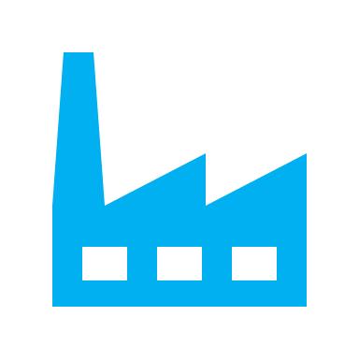

411,472,553 units |  | 18 countries | 5o types | 121,126,999 Euro | 835 companies

